connectionMatrix
connect by looking at which streams connect to the reactors (i.e wat are the reactor inputs and how are they connected)
outputs of the interval in the row are the inputs for the interval in the column!!
row names go into name goes into column name!!
0 -> not connencted
1 -> connected
1's in the same colunm indiacte that the outputs of the intervals are mixed
string -> defined how reject and permate are connected
options :
bool, permeat / reject
split, permeate/ reject
mix permeate/ reject
process_intervals | input1 | input2 | reactor1 | reactor2 | reactor3 | reactor4 | reactor5 | reactor6 | p1 | p2 | p3 | p4
input1 | 0 | 0 | 1 | 0 | 0 | 0 | 0 | 0 | 0 | 0 | 0 | 0
input2 | 0 | 0 | 0 | 1 | 0 | 0 | 0 | 0 | 0 | 0 | 0 | 0
reactor1 | 0 | 0 | 0 | 1 | 0 | 0 | 0 | 0 | 0 | 0 | 0 | 0
reactor2 | 0 | 0 | 0 | 0 | bool, permeate | bool, permeate | split, reject | split, reject | 0 | 0 | 0 | 0
reactor3 | 0 | 0 | 0 | 0 | 0 | 0 | 0 | 0 | 1 | 0 | 0 | 0
reactor4 | 0 | 0 | 0 | 0 | 0 | 0 | 0 | 0 | 0 | 1 | 0 | 0
reactor5 | 0 | 0 | 0 | 0 | 0 | 0 | 0 | 0 | 0 | 0 | 1 | 0
reactor6 | 0 | 0 | 0 | 0 | 0 | 0 | 0 | 0 | 0 | 0 | 0 | 1
p1 | 0 | 0 | 0 | 0 | 0 | 0 | 0 | 0 | 0 | 0 | 0 | 0
p2 | 0 | 0 | 0 | 0 | 0 | 0 | 0 | 0 | 0 | 0 | 0 | 0
p3 | 0 | 0 | 0 | 0 | 0 | 0 | 0 | 0 | 0 | 0 | 0 | 0
p4 | 0 | 0 | 0 | 0 | 0 | 0 | 0 | 0 | 0 | 0 | 0 | 0

Figure
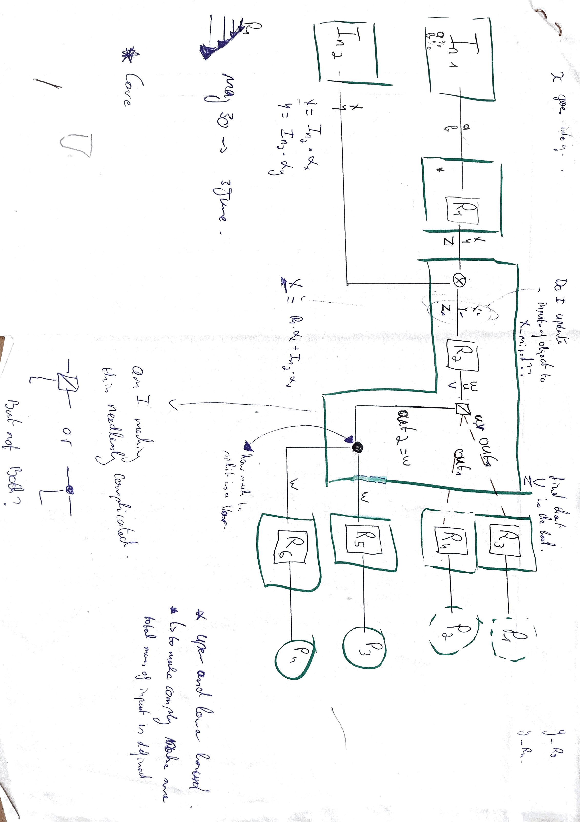

connectionMatrixAlternative
process_intervals | in1 | in2 | reactor1 | reactor2 | reactor3 | reactor4 | reactor5 | reactor6
in1 | 0 | 0 | 1 | 0 | 0 | 0 | 0 | 0
in2 |  | 0 | 0 | 1 | 0 | 0 | 0 | 0
reactor1 |  |  | 0 | 1 | 0 | 0 | 0 | 0
reactor2 |  |  |  | 0 | 2 | 2 | 1 | 1
reactor3 |  |  |  |  | 0 | 0 | 0 | 0
reactor4 |  |  |  |  |  | 0 | 0 | 0
reactor5 |  |  |  |  |  |  | 0 | 0
reactor6 |  |  |  |  |  |  |  | 0

connect by looking at which streams connect to the reactors (i.e wat are the reactor inputs and how are they connected)
2: bolean connector
3: mass balance conector

